Single Pipe Counter Flow
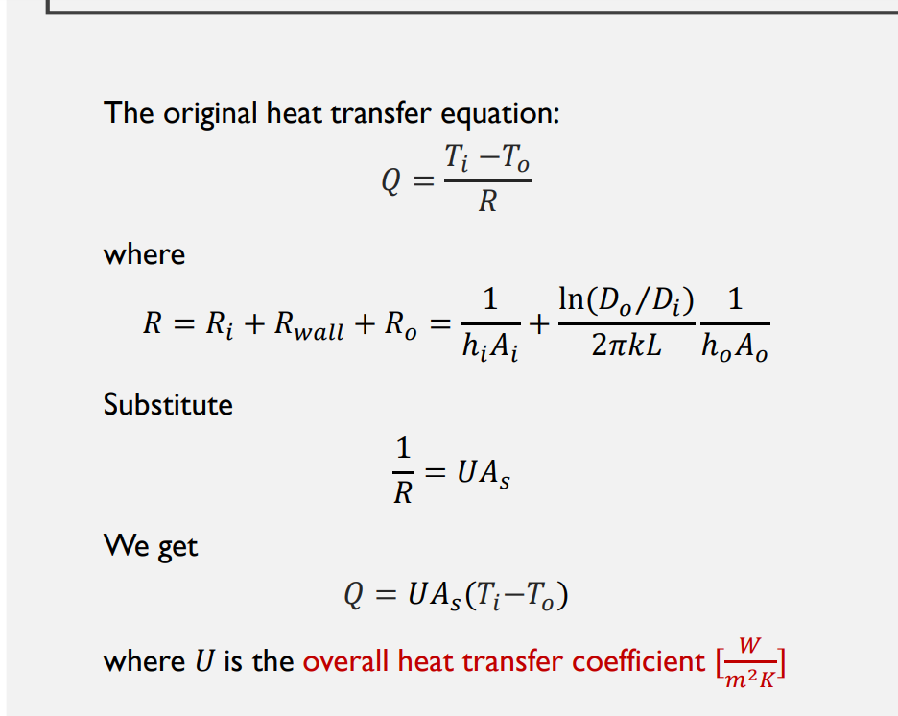
First Pass (Milk and Water)
 | Properties |  |  |  | Constraints |  |  |  | Choose |  |  |  | Choose
 | Water (inner) | Milk (outer) |  |  | Water (inner) | Milk (outer) |  | mdot_milk (kg/s) | mdot_water (kg/s) | Di (m) | Do (m) |  | Given
cp (J/kg/K) | 4205 | 3890 |  | T in (C) | 93.3333 | 4.44 |  | 4.490744792 | 4.3 | 0.6 | 1 |  | Calculate
rho (kg/m^3) | 958 | 1020 |  | T out (C) |  | 72.7778 |  |  |  |  |  |  | Find
Mu (Pa*s) | 0.00028 | 0.0015 |  |  |  |  |  | 4.402690972 | 0.004402690972
Pr | 1.76 | 10.06034483 |  |  |  |  |  | L/s | m^3/s
K (W/mK) | 0.62 | 0.58 |  |  |  |  |  |  |  |  | 0.00635 | m | 2piRH = total L
 |  |  |  |  |  |  |  |  |  |  | 139.0211482 | m/s
 |  |  |  |  |  |  |  |  |  |  |  | 2780.422964 | 126.433731
Qdot_c (milk) (W) | Th_out (water) °C | dT1 (K) | dT2 (K) | dTlm (K) | dh (m) | Ac_o (m^2) | Ac_i (m^2) | Vi (m/s) | Vo (m/s) | Fi
1193792.84 | 27.31041254 | 20.5555 | 22.87041254 | 21.69237376 | 0.4 | 0.6597344573 | 0.2827433388 | 0.01587488414 | 0.006673428868 | 0.9332419473

Re_i (water) | Re_o (milk) | f_i | f_o | Nu_i | Nu_o | h_o | h_i | U | As | L (m)
21725.91287 | 1815.172652 | 0.02560699605 | 0.05438364342 | 114.2230098 | 4.06893489 | 2.806161993 | 73.69226442 | 2.703224645 | 20358.21763 | 10800.3699
 |  |  |  | 122.3937803 | 124.1392506
 |  |  |  | 4.36 | 4.36
 |  |  |  | Will not work for Re between 10000 and 2300

 | 0.004029227557 | 3.50628
 | 63 gpm | 58 gpm

References
